Corn Data - Tranformed data
Unharvested Plant Acres
YEAR | CORN - ACRES PLANTED | CORN, GRAIN - ACRES HARVESTED | CORN, GRAIN - PRODUCTION, MEASURED IN BU | CORN - PLANTED VS HARVESTED DIFFERENCE | CORN - HARVESTED VS PLANTED % | CORN, GRAIN - PRODUCTION, MEASURED IN BU (BUSHELS) PER HARVESTED ACRE
1980 | 84,043,000 | 72,961,000 | 6,639,396,000 | 11,082,000 | 87% | 91.00
1981 | 84,097,000 | 74,524,000 | 8,118,650,000 | 9,573,000 | 89% | 108.94
1982 | 81,857,000 | 72,719,000 | 8,235,101,000 | 9,138,000 | 89% | 113.25
1983 | 60,207,000 | 51,479,000 | 4,174,251,000 | 8,728,000 | 86% | 81.09
1984 | 80,517,000 | 71,897,000 | 7,672,130,000 | 8,620,000 | 89% | 106.71
1985 | 83,398,000 | 75,209,000 | 8,875,453,000 | 8,189,000 | 90% | 118.01
1986 | 76,580,000 | 68,907,000 | 8,225,764,000 | 7,673,000 | 90% | 119.37
1987 | 66,200,000 | 59,505,000 | 7,131,300,000 | 6,695,000 | 90% | 119.84
1988 | 67,717,000 | 58,250,000 | 4,928,681,000 | 9,467,000 | 86% | 84.61
1989 | 72,322,000 | 64,783,000 | 7,531,953,000 | 7,539,000 | 90% | 116.26
1990 | 74,166,000 | 66,952,000 | 7,934,028,000 | 7,214,000 | 90% | 118.50
1991 | 75,957,000 | 68,822,000 | 7,474,765,000 | 7,135,000 | 91% | 108.61
1992 | 79,311,000 | 72,077,000 | 9,476,698,000 | 7,234,000 | 91% | 131.48
1993 | 73,239,000 | 62,933,000 | 6,337,730,000 | 10,306,000 | 86% | 100.71
1994 | 78,921,000 | 72,514,000 | 10,050,520,000 | 6,407,000 | 92% | 138.60
1995 | 71,479,000 | 65,210,000 | 7,400,051,000 | 6,269,000 | 91% | 113.48
1996 | 79,229,000 | 72,644,000 | 9,232,557,000 | 6,585,000 | 92% | 127.09
1997 | 79,537,000 | 72,671,000 | 9,206,832,000 | 6,866,000 | 91% | 126.69
1998 | 80,165,000 | 72,589,000 | 9,758,685,000 | 7,576,000 | 91% | 134.44
1999 | 77,386,000 | 70,487,000 | 9,430,612,000 | 6,899,000 | 91% | 133.79
2000 | 79,551,000 | 72,440,000 | 9,915,051,000 | 7,111,000 | 91% | 136.87
2001 | 75,702,000 | 68,768,000 | 9,502,580,000 | 6,934,000 | 91% | 138.18
2002 | 78,894,000 | 69,330,000 | 8,966,787,000 | 9,564,000 | 88% | 129.33
2003 | 78,603,000 | 70,944,000 | 10,087,292,000 | 7,659,000 | 90% | 142.19
2004 | 80,929,000 | 73,631,000 | 11,805,581,000 | 7,298,000 | 91% | 160.33
2005 | 81,779,000 | 75,117,000 | 11,112,187,000 | 6,662,000 | 92% | 147.93
2006 | 78,327,000 | 70,638,000 | 10,531,123,000 | 7,689,000 | 90% | 149.09
2007 | 93,527,000 | 86,520,000 | 13,037,875,000 | 7,007,000 | 93% | 150.69
2008 | 85,982,000 | 78,570,000 | 12,043,203,000 | 7,412,000 | 91% | 153.28
2009 | 86,382,000 | 79,490,000 | 13,067,156,000 | 6,892,000 | 92% | 164.39
2010 | 88,192,000 | 81,446,000 | 12,425,330,000 | 6,746,000 | 92% | 152.56
2011 | 91,936,000 | 83,879,000 | 12,313,956,000 | 8,057,000 | 91% | 146.81
2012 | 97,291,000 | 87,365,000 | 10,755,111,000 | 9,926,000 | 90% | 123.11
2013 | 95,365,000 | 87,461,000 | 13,830,704,000 | 7,904,000 | 92% | 158.14
2014 | 90,597,000 | 83,146,000 | 14,217,292,000 | 7,451,000 | 92% | 170.99
2015 | 88,019,000 | 80,753,000 | 13,601,964,000 | 7,266,000 | 92% | 168.44
2016 | 94,004,000 | 86,748,000 | 15,148,038,000 | 7,256,000 | 92% | 174.62
2017 | 90,167,000 | 82,733,000 | 14,609,407,000 | 7,434,000 | 92% | 176.59
2018 | 88,871,000 | 81,276,000 | 14,340,369,000 | 7,595,000 | 91% | 176.44
2019 | 89,745,000 | 81,337,000 | 13,619,928,000 | 8,408,000 | 91% | 167.45
2020 | 90,652,000 | 82,313,000 | 14,111,449,000 | 8,339,000 | 91% | 171.44
2021 | 93,252,000 | 85,318,000 | 15,073,820,000 | 7,934,000 | 91% | 176.68
2022 | 88,589,000 | 79,115,000 | 13,714,676,000 | 9,474,000 | 89% | 173.35
Grand Total | 3,532,684,000 | 3,195,471,000 | 445,666,036,000 | 337,213,000
Average | 82,155,442 | 74,313,279 | 10,364,326,419 | 7,842,163 | 90.36% | 137.24
Plantation vs harvested acres (%)

Plantation vs harested area (acres)

Corn Use Case Solutions
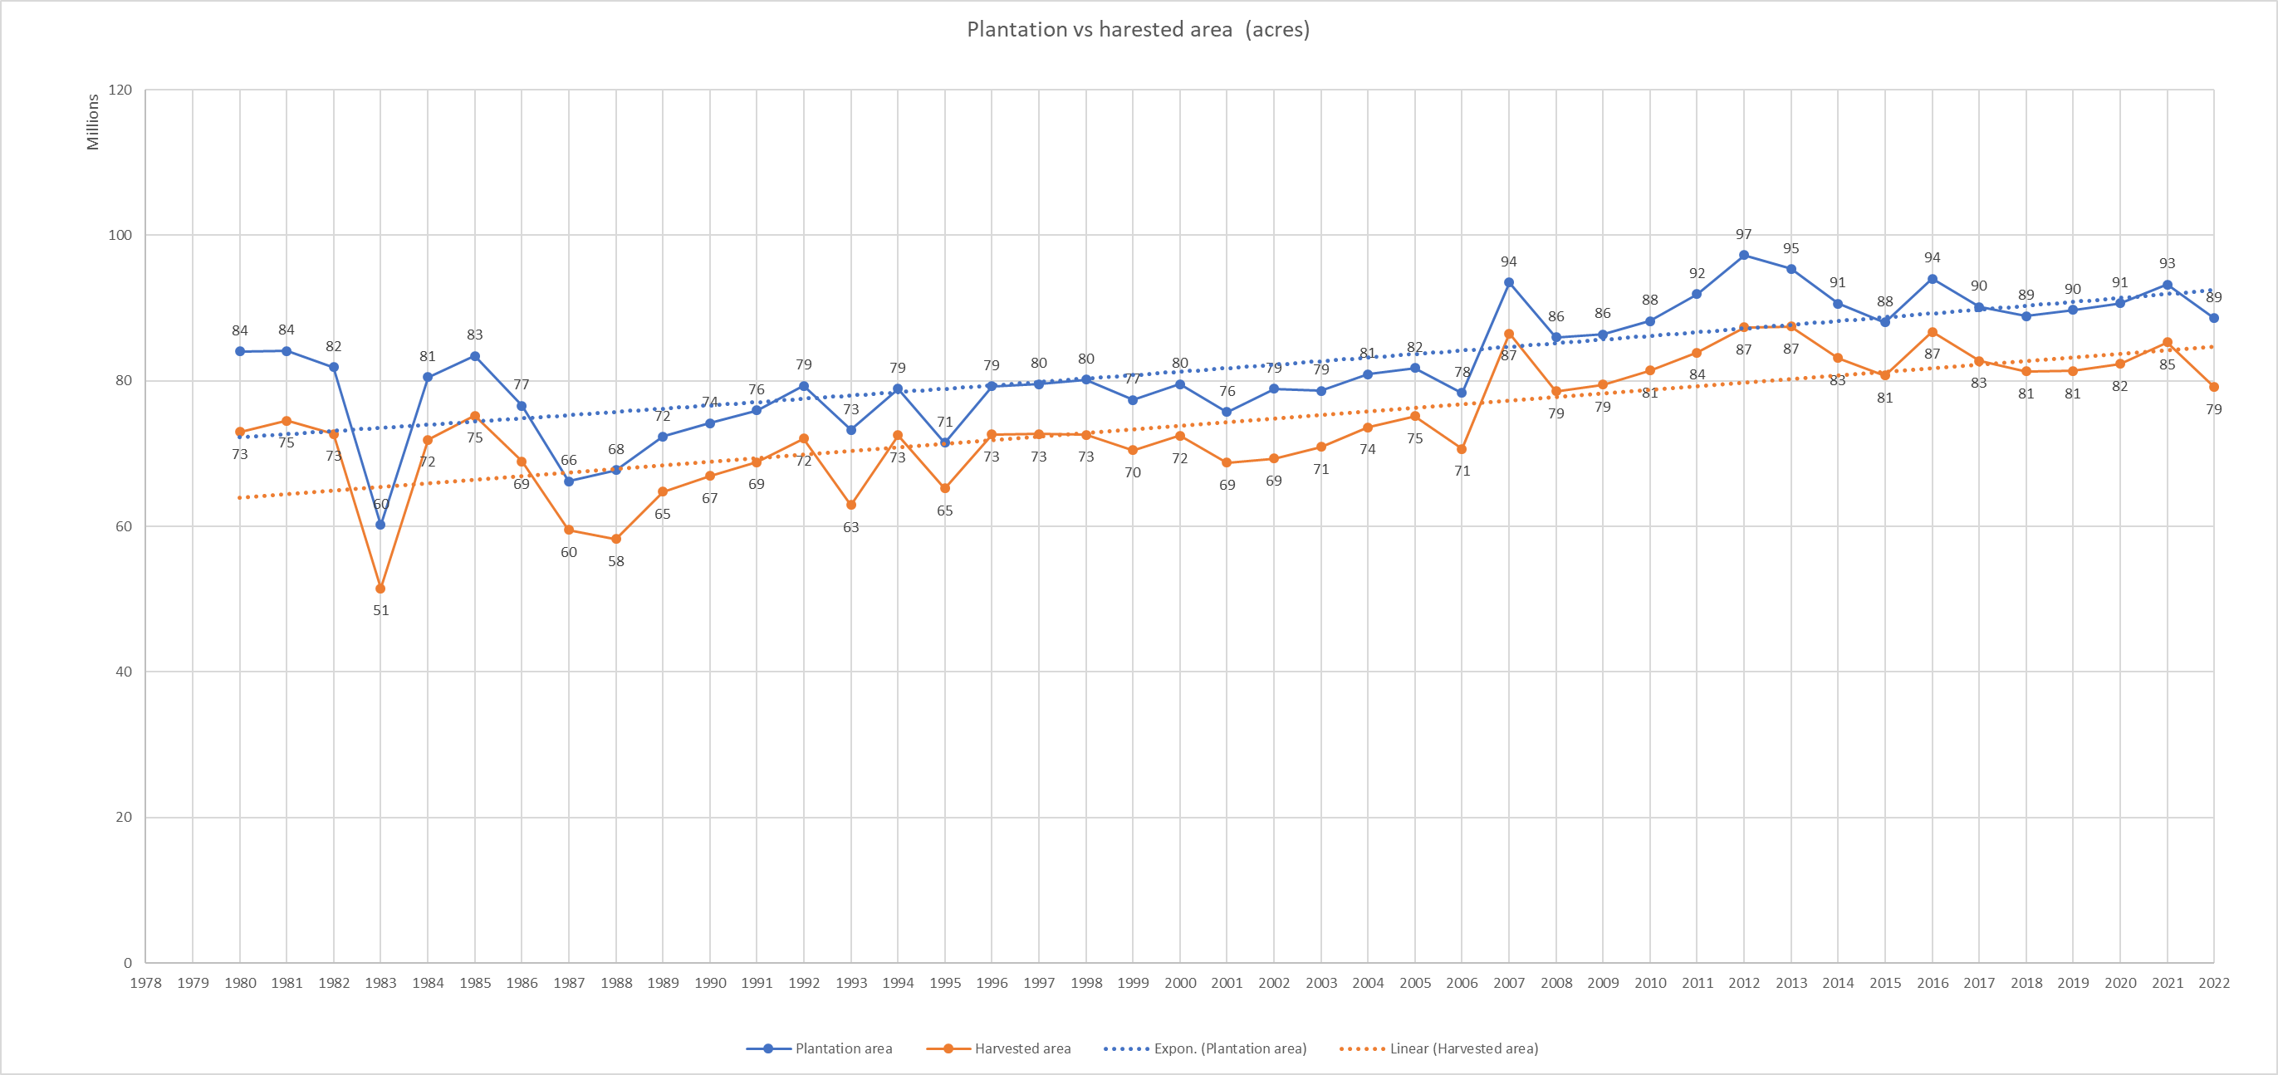

1. Describe any key trends in planted and harvested acres between 1980 - 2022. Feel free to utilize any charts, pivot tables, etc.

The highest planted year is 2012 being 97 million acres with harvested acres being 87 million acres.

The lowest planted year is 1983 being 60 million acres with harvested acres being 51 million acres.

There has been steep downfall during 1983, with a difference of 20 million acres in both In plantation and harvesting as compared to previous year 1982.

There is gradual down slope that occurs for every 4-5 year on average after a sudden increase in plantation and harvesting with total consecutive difference of 5-6 million acres in both plantation and harvesting.

On an average 7.8 million acres of planted crop have been unharvested every year for an overall period from 1980-2022

On an average 74.3 million acres of planted crop are harvested every year for an overall period from 1980-2022

On an average 90.3% of the crop planted land in acres are harvested every year for an overall period from 1980-2022

The highest unharvested acres of plantation has been during 1983 which accounts for 11.1 million acres of plantation being unharvested.

There is strong positive correlation between planted acres and harvested acres.

The highest harvested percentage is during 2007 which accounts for 92.5% of plantation being harvested.

The least harvested percentage is during 1983 which accounts for 85.5% of plantation being harvested.

2. What can this data tell us about production between 1980 - 2022. Feel free to utilize any charts, pivot tables, etc.
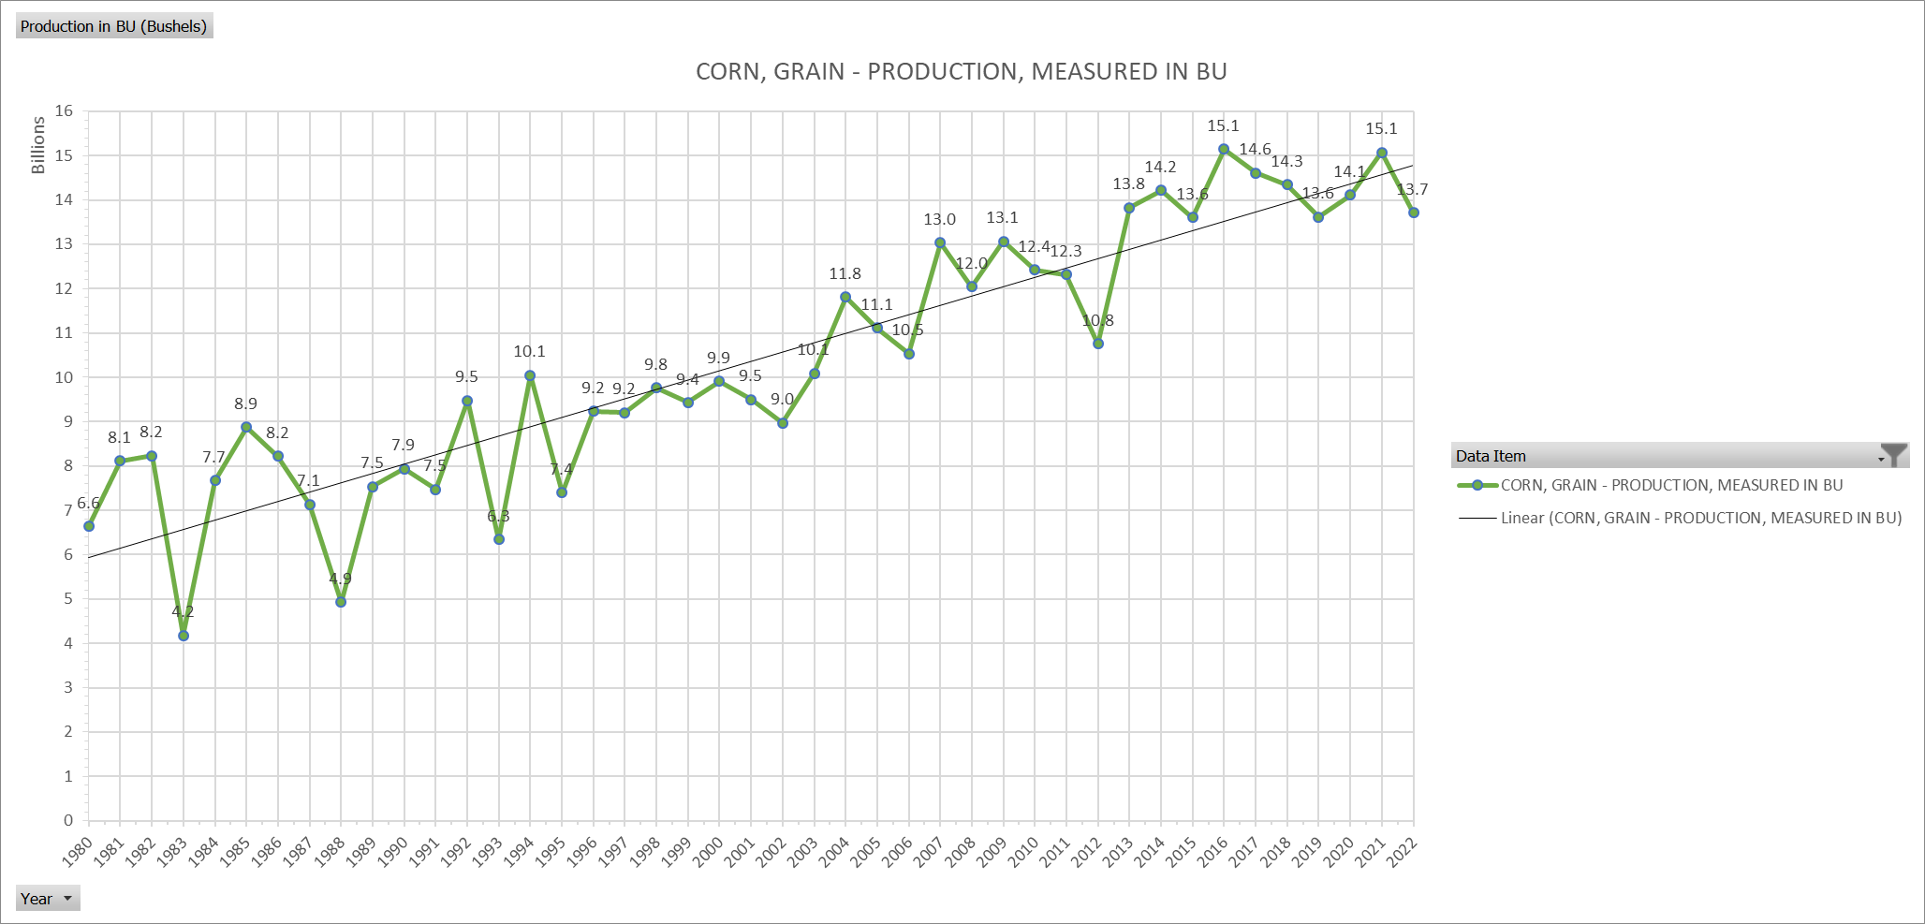
From 1980 to 2022 the production has consecutively increased from 6.6 billion Bushels to 14.5 billion Bushels on average

The least production is recorded during 1983 consisting of 4.2 billion Bushels.

The highest production is recorded during 2016 and 2021 consisting of 15.1 billion Bushels each year.

There is steep down fall of 4 billion Bushels produced in the year 1983 from 8.2 billion Bushels produced previous year 1982 to 4.2 billion Bushels produced in 1982

On an average, the production increases and decreases by 3-4 billion Bushels consecutively in 3-4 year cycle and drastically increases over time

High variance in production can be observed in 1992 - 9.5 billion Bushel to 6.3 billion Bushel in 1993, increased to 10.1 billion Bushel in 1994 again dropping to 7.4 billion Bushel in 1995.

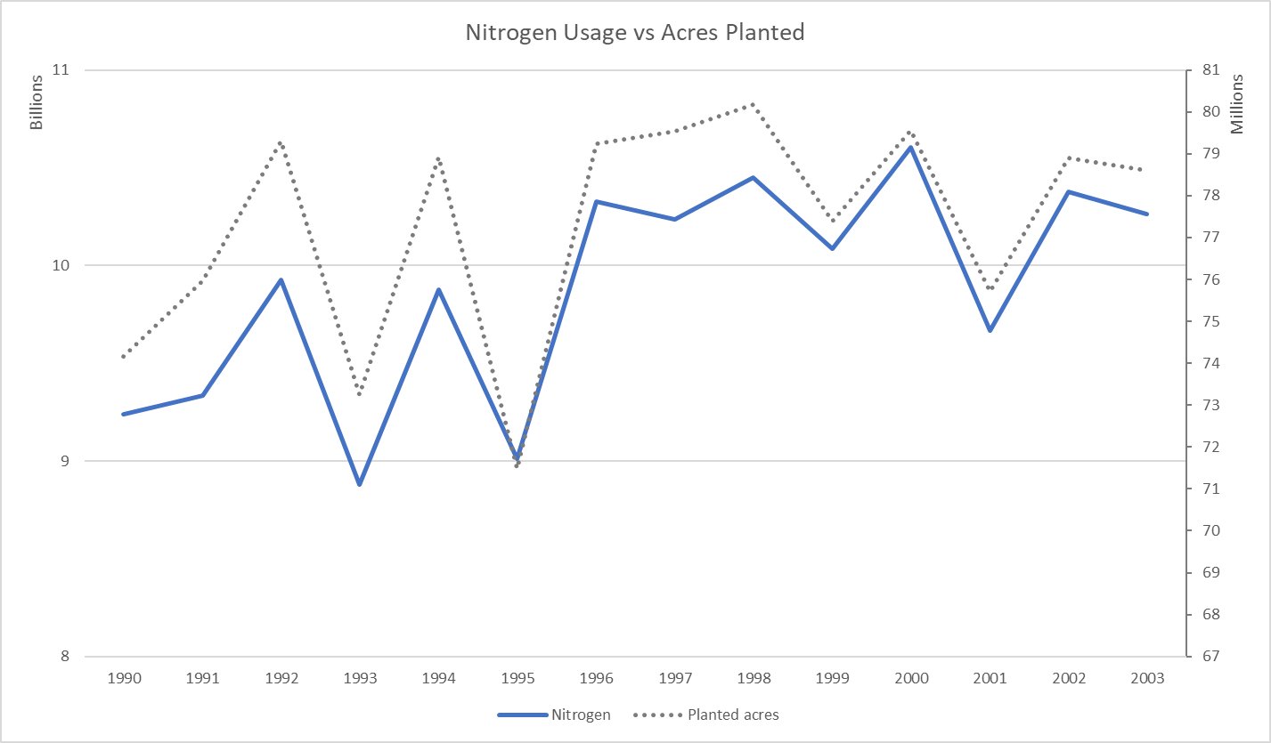
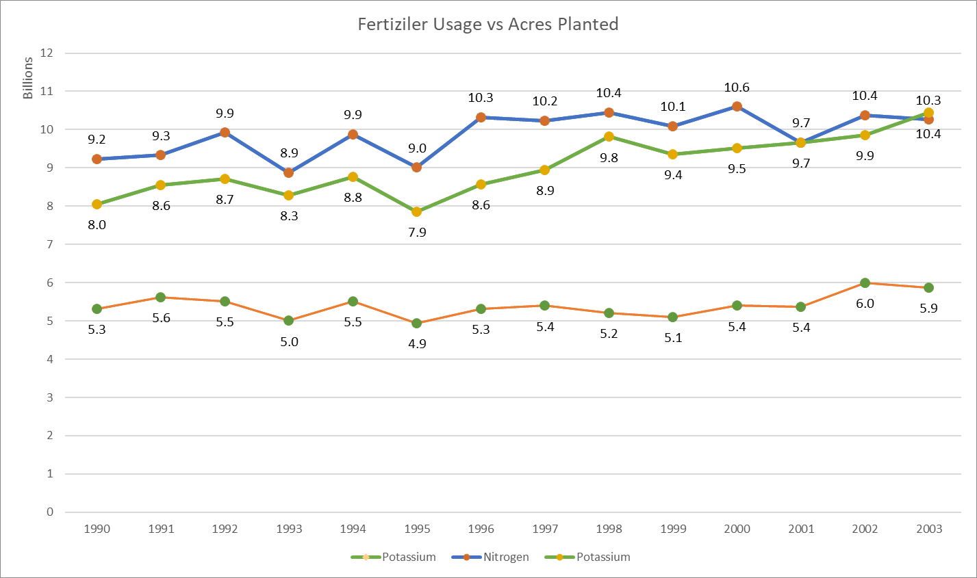
3. Reviewing the data, are there any years you would anticipate lower nitrogen demand in the US? What other datapoints would be helpful in confirming your assumptions.

From 1980 to 2022 the nitrogen usage has been increasing as the plantation area is increasing.

There is a strong correlation between plantation area and nitrogen usage which helps in determining the demand.

By observing Nitrogen Usage vs Acres planted chart, it is safe to assume that there is increase and decrease in usage during 1992, 1994 and 1993, 1995 respectively

we can observe huge increase in demand from 1995 to 1996 from 9.1 Billion pounds to 10.25 Billion pounds and following a increase further consecutively.

we can observe in the consecutive years between 1996-2000 there is increase in nitrogen usage.

As Plantation and Nitrogen usage have a strong positive correlation, we can asume there is increase in usage by 8-10% in period of every 5 years.

Corn-Nitrogen Transformed Data
 |  |  |  |  |  |  |  | CORN - APPLICATIONS, MEASURED IN LB / ACRE / YEAR, AVG |  |  | CORN - TREATED, MEASURED IN PCT (%) OF AREA PLANTED, AVG |  |  | ACRES OF PLANT TREATED |  |  | CORN -TOTAL APPLICATIONS ON PLANTED ACRES, MEASURED IN LB / YEAR CONSIDERING PERCENTAGE OF PLANTED PCT TREATED, AVG
YEAR | CORN - ACRES PLANTED | CORN, GRAIN - ACRES HARVESTED | CORN, GRAIN - PRODUCTION, MEASURED IN BU | CORN - PLANTED VS HARVESTED DIFFERENCE | CORN - HARVESTED VS PLANTED % (DECIMAL) | CORN - HARVESTED VS PLANTED % | CORN, GRAIN - PRODUCTION, MEASURED IN BU (BUSHELS) PER HARVESTED ACRE | FERTILIZER: (NITROGEN) | FERTILIZER: (PHOSPHATE) | FERTILIZER: (POTASH) | FERTILIZER: (NITROGEN) | FERTILIZER: (PHOSPHATE) | FERTILIZER: (POTASH) | FERTILIZER: (NITROGEN) | FERTILIZER: (PHOSPHATE) | FERTILIZER: (POTASH) | FERTILIZER: (NITROGEN) | FERTILIZER: (PHOSPHATE) | FERTILIZER: (POTASH)
1980 | 84,043,000 | 72,961,000 | 6,639,396,000 | 11,082,000 | 0.87 | 87% | 91.00
1981 | 84,097,000 | 74,524,000 | 8,118,650,000 | 9,573,000 | 0.89 | 89% | 108.94
1982 | 81,857,000 | 72,719,000 | 8,235,101,000 | 9,138,000 | 0.89 | 89% | 113.25
1983 | 60,207,000 | 51,479,000 | 4,174,251,000 | 8,728,000 | 0.86 | 86% | 81.09
1984 | 80,517,000 | 71,897,000 | 7,672,130,000 | 8,620,000 | 0.89 | 89% | 106.71
1985 | 83,398,000 | 75,209,000 | 8,875,453,000 | 8,189,000 | 0.90 | 90% | 118.01
1986 | 76,580,000 | 68,907,000 | 8,225,764,000 | 7,673,000 | 0.90 | 90% | 119.37
1987 | 66,200,000 | 59,505,000 | 7,131,300,000 | 6,695,000 | 0.90 | 90% | 119.84
1988 | 67,717,000 | 58,250,000 | 4,928,681,000 | 9,467,000 | 0.86 | 86% | 84.61
1989 | 72,322,000 | 64,783,000 | 7,531,953,000 | 7,539,000 | 0.90 | 90% | 116.26
1990 | 74,166,000 | 66,952,000 | 7,934,028,000 | 7,214,000 | 0.90 | 90% | 118.50 | 129.6 | 59.7 | 80.4 | 0.961 | 0.833 | 0.741 | 71,273,526 | 89,034,814 | 100,089,069 | 9,237,048,970 | 5,315,378,391 | 8,047,161,134
1991 | 75,957,000 | 68,822,000 | 7,474,765,000 | 7,135,000 | 0.91 | 91% | 108.61 | 128 | 60 | 80 | 0.96 | 0.81 | 0.71 | 72,918,720 | 93,774,074 | 106,981,690 | 9,333,596,160 | 5,626,444,444 | 8,558,535,211
1992 | 79,311,000 | 72,077,000 | 9,476,698,000 | 7,234,000 | 0.91 | 91% | 131.48 | 129 | 57 | 78 | 0.97 | 0.82 | 0.71 | 76,931,670 | 96,720,732 | 111,705,634 | 9,924,185,430 | 5,513,081,707 | 8,713,039,437
1993 | 73,239,000 | 62,933,000 | 6,337,730,000 | 10,306,000 | 0.86 | 86% | 100.71 | 125 | 56 | 78 | 0.97 | 0.82 | 0.69 | 71,041,830 | 89,315,854 | 106,143,478 | 8,880,228,750 | 5,001,687,805 | 8,279,191,304
1994 | 78,921,000 | 72,514,000 | 10,050,520,000 | 6,407,000 | 0.92 | 92% | 138.60 | 129 | 58 | 80 | 0.97 | 0.83 | 0.72 | 76,553,370 | 95,085,542 | 109,612,500 | 9,875,384,730 | 5,514,961,446 | 8,769,000,000
1995 | 71,479,000 | 65,210,000 | 7,400,051,000 | 6,269,000 | 0.91 | 91% | 113.48 | 130 | 56 | 78 | 0.97 | 0.81 | 0.71 | 69,334,630 | 88,245,679 | 100,674,648 | 9,013,501,900 | 4,941,758,025 | 7,852,622,535
1996 | 79,229,000 | 72,644,000 | 9,232,557,000 | 6,585,000 | 0.92 | 92% | 127.09 | 133 | 57 | 79 | 0.98 | 0.85 | 0.73 | 77,644,420 | 93,210,588 | 108,532,877 | 10,326,707,860 | 5,313,003,529 | 8,574,097,260
1997 | 79,537,000 | 72,671,000 | 9,206,832,000 | 6,866,000 | 0.91 | 91% | 126.69 | 130 | 57 | 81 | 0.99 | 0.84 | 0.72 | 78,741,630 | 94,686,905 | 110,468,056 | 10,236,411,900 | 5,397,153,571 | 8,947,912,500
1998 | 80,165,000 | 72,589,000 | 9,758,685,000 | 7,576,000 | 0.91 | 91% | 134.44 | 133 | 54 | 82 | 0.98 | 0.83 | 0.67 | 78,561,700 | 96,584,337 | 119,649,254 | 10,448,706,100 | 5,215,554,217 | 9,811,238,806
1999 | 77,386,000 | 70,487,000 | 9,430,612,000 | 6,899,000 | 0.91 | 91% | 133.79 | 133 | 54 | 81 | 0.98 | 0.82 | 0.67 | 75,838,280 | 94,373,171 | 115,501,493 | 10,086,491,240 | 5,096,151,220 | 9,355,620,896
2000 | 79,551,000 | 72,440,000 | 9,915,051,000 | 7,111,000 | 0.91 | 91% | 136.87 | 136 | 57 | 79 | 0.98 | 0.84 | 0.66 | 77,959,980 | 94,703,571 | 120,531,818 | 10,602,557,280 | 5,398,103,571 | 9,522,013,636
2001 | 75,702,000 | 68,768,000 | 9,502,580,000 | 6,934,000 | 0.91 | 91% | 138.18 | 133 | 56 | 83 | 0.96 | 0.79 | 0.65 | 72,673,920 | 95,825,316 | 116,464,615 | 9,665,631,360 | 5,366,217,722 | 9,666,563,077
2002 | 78,894,000 | 69,330,000 | 8,966,787,000 | 9,564,000 | 0.88 | 88% | 129.33 | 137 | 60 | 85 | 0.96 | 0.79 | 0.68 | 75,738,240 | 99,865,823 | 116,020,588 | 10,376,138,880 | 5,991,949,367 | 9,861,750,000
2003 | 78,603,000 | 70,944,000 | 10,087,292,000 | 7,659,000 | 0.90 | 90% | 142.19 | 136 | 59 | 85 | 0.96 | 0.79 | 0.64 | 75,458,880 | 99,497,468 | 122,817,188 | 10,262,407,680 | 5,870,350,633 | 10,439,460,938
2004 | 80,929,000 | 73,631,000 | 11,805,581,000 | 7,298,000 | 0.91 | 91% | 160.33
2005 | 81,779,000 | 75,117,000 | 11,112,187,000 | 6,662,000 | 0.92 | 92% | 147.93
2006 | 78,327,000 | 70,638,000 | 10,531,123,000 | 7,689,000 | 0.90 | 90% | 149.09
2007 | 93,527,000 | 86,520,000 | 13,037,875,000 | 7,007,000 | 0.93 | 93% | 150.69
2008 | 85,982,000 | 78,570,000 | 12,043,203,000 | 7,412,000 | 0.91 | 91% | 153.28
2009 | 86,382,000 | 79,490,000 | 13,067,156,000 | 6,892,000 | 0.92 | 92% | 164.39
2010 | 88,192,000 | 81,446,000 | 12,425,330,000 | 6,746,000 | 0.92 | 92% | 152.56
2011 | 91,936,000 | 83,879,000 | 12,313,956,000 | 8,057,000 | 0.91 | 91% | 146.81
2012 | 97,291,000 | 87,365,000 | 10,755,111,000 | 9,926,000 | 0.90 | 90% | 123.11
2013 | 95,365,000 | 87,461,000 | 13,830,704,000 | 7,904,000 | 0.92 | 92% | 158.14
2014 | 90,597,000 | 83,146,000 | 14,217,292,000 | 7,451,000 | 0.92 | 92% | 170.99
2015 | 88,019,000 | 80,753,000 | 13,601,964,000 | 7,266,000 | 0.92 | 92% | 168.44
2016 | 94,004,000 | 86,748,000 | 15,148,038,000 | 7,256,000 | 0.92 | 92% | 174.62
2017 | 90,167,000 | 82,733,000 | 14,609,407,000 | 7,434,000 | 0.92 | 92% | 176.59
2018 | 88,871,000 | 81,276,000 | 14,340,369,000 | 7,595,000 | 0.91 | 91% | 176.44
2019 | 89,745,000 | 81,337,000 | 13,619,928,000 | 8,408,000 | 0.91 | 91% | 167.45
2020 | 90,652,000 | 82,313,000 | 14,111,449,000 | 8,339,000 | 0.91 | 91% | 171.44
2021 | 93,252,000 | 85,318,000 | 15,073,820,000 | 7,934,000 | 0.91 | 91% | 176.68
2022 | 88,589,000 | 79,115,000 | 13,714,676,000 | 9,474,000 | 0.89 | 89% | 173.35
Grand Total | 3,532,684,000 | 3,195,471,000 | 445,666,036,000 | 337,213,000 |  |  |  |  |  |  |  |  |  | 1,050,670,796 | 1,320,923,875 | 1,565,192,907 | 138,268,998,240 | 75,561,795,649 | 126,398,206,734
Average | 82,155,442 | 74,313,279 | 10,364,326,419 | 7,842,163 | 0.90 | 90.36% | 137.24

Production (BU ) vs Nitrogen Usage (lb)
Amount of Fertilizers used in lb
 | Nitrogen | Phosphorous | Potassium
1989
1990 | 9,237,048,970 | 5,315,378,391 | 8,047,161,134
1991 | 9,333,596,160 | 5,626,444,444 | 8,558,535,211
1992 | 9,924,185,430 | 5,513,081,707 | 8,713,039,437
1993 | 8,880,228,750 | 5,001,687,805 | 8,279,191,304
1994 | 9,875,384,730 | 5,514,961,446 | 8,769,000,000
1995 | 9,013,501,900 | 4,941,758,025 | 7,852,622,535
1996 | 10,326,707,860 | 5,313,003,529 | 8,574,097,260
1997 | 10,236,411,900 | 5,397,153,571 | 8,947,912,500
1998 | 10,448,706,100 | 5,215,554,217 | 9,811,238,806
1999 | 10,086,491,240 | 5,096,151,220 | 9,355,620,896
2000 | 10,602,557,280 | 5,398,103,571 | 9,522,013,636
2001 | 9,665,631,360 | 5,366,217,722 | 9,666,563,077
2002 | 10,376,138,880 | 5,991,949,367 | 9,861,750,000
2003 | 10,262,407,680 | 5,870,350,633 | 10,439,460,938
Amount of Fertilizers used in lb

Total Fertilizer 1990-2003 in lb
Total Fertilizer 1990-2003 in lb

Nitrogen Usage vs Acres Planted
Fertiziler Usage vs Acres Planted

Production (BU) vs Nitrogen Usage (lb)
Fertiziler Usage vs Acres Planted

Nitrogen Use Case Solutions
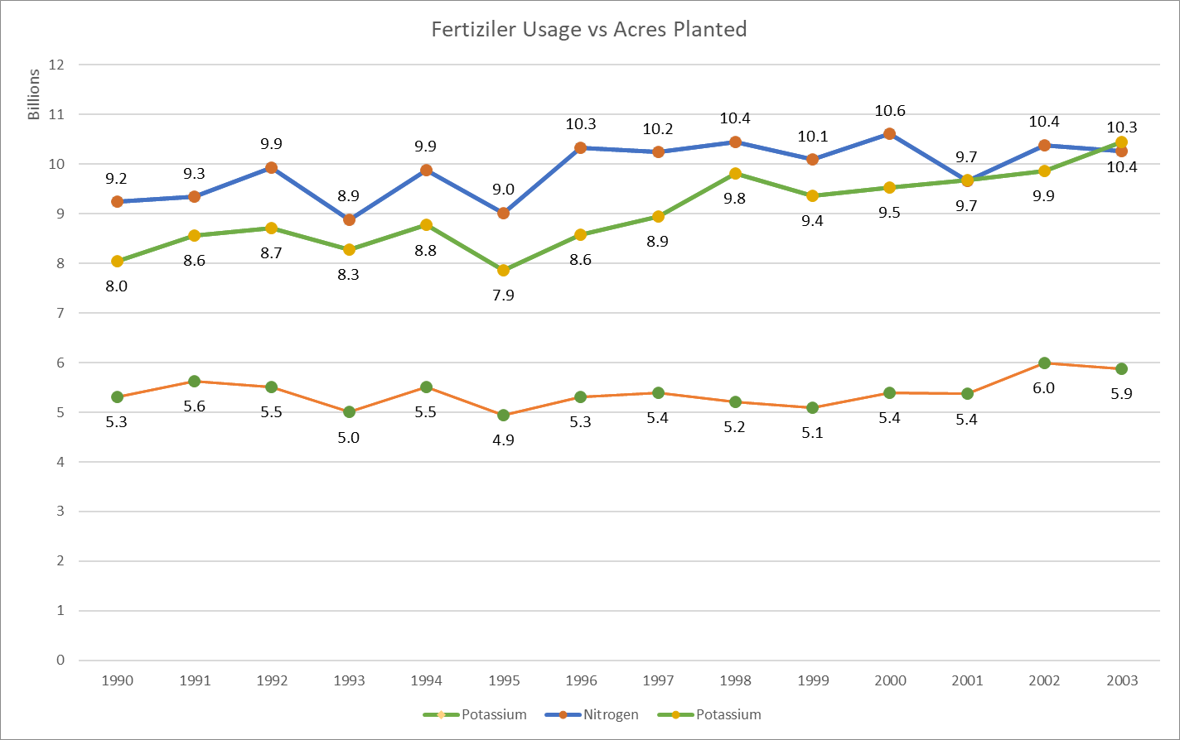
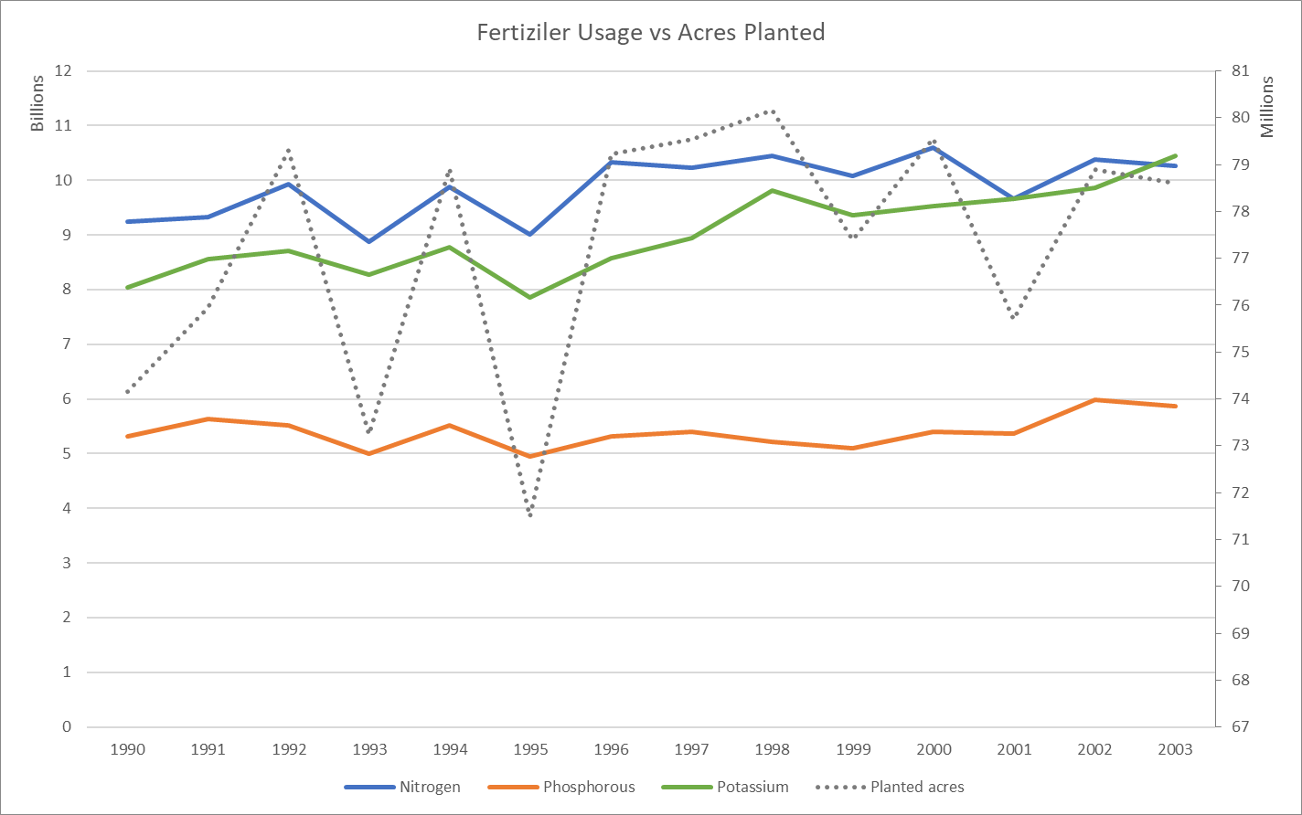
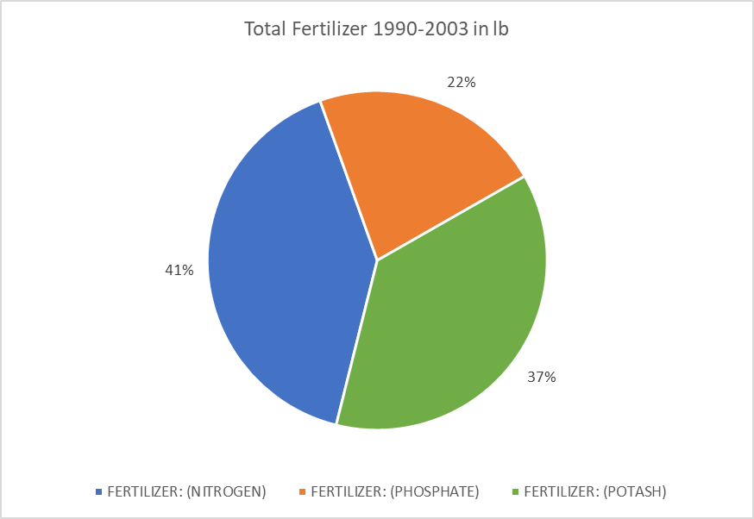
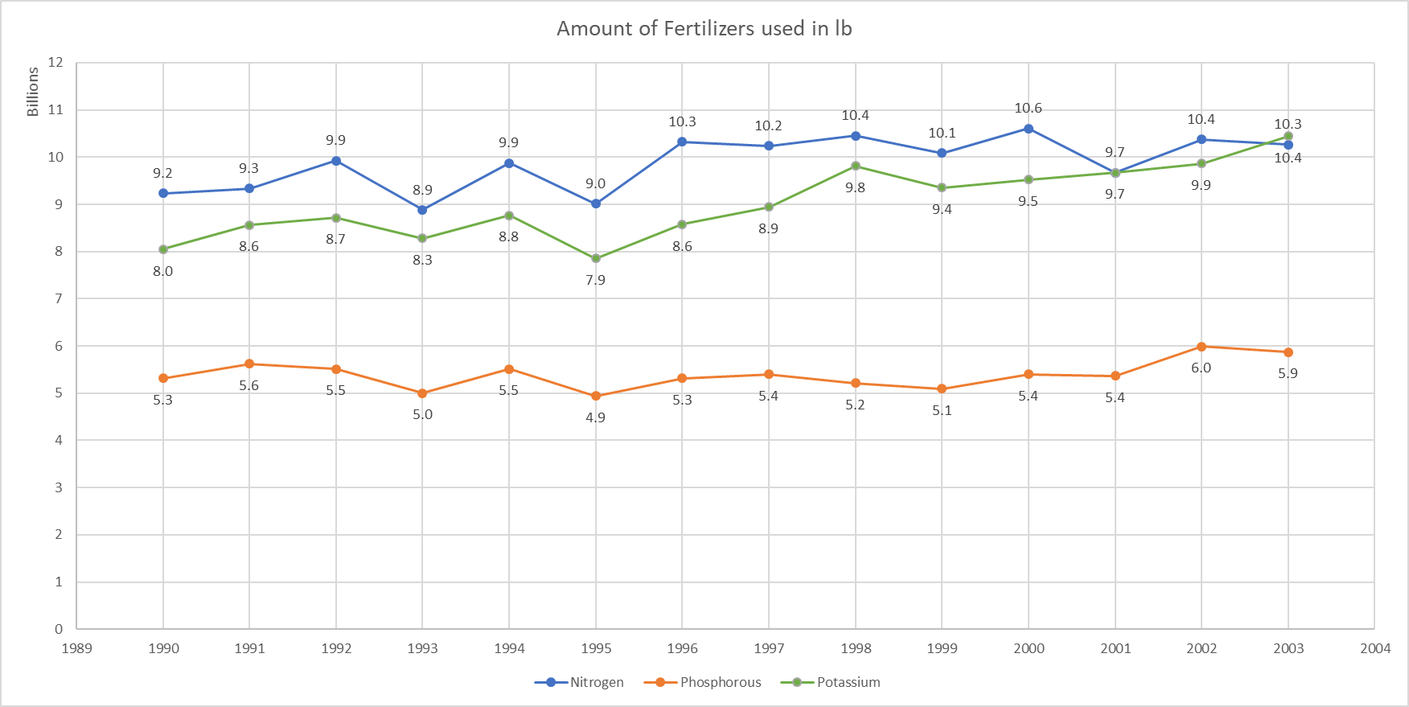
 | Year | Nitrogen usage (lb) for total plantation | Phosphorous usage (lb) for total plantation | Potassium usage (lb) for total plantation
 | 1990 | 9,237,048,970 | 5,315,378,391 | 8,047,161,134
1. Utilizing the provided data, estimate the total amount of N, P, and K (Nitrogen (N), Phosphorus (P), and Potassium (K)) applied on corn in the years of 1990-2003. Feel free to provide your results in a table. | 1991 | 9,333,596,160 | 5,626,444,444 | 8,558,535,211
 | 1992 | 9,924,185,430 | 5,513,081,707 | 8,713,039,437
 | 1993 | 8,880,228,750 | 5,001,687,805 | 8,279,191,304
The total amount of fertilizers applied on corn from 1990-2003 is as follows: | 1994 | 9,875,384,730 | 5,514,961,446 | 8,769,000,000
* Nitrogen - 1,38,26,89,98,239.6 (138.27 Billion pounds) | 1995 | 9,013,501,900 | 4,941,758,025 | 7,852,622,535
* Phosphorous - 75,56,17,95,648.6382 (75.56 Billion pounds) | 1996 | 10,326,707,860 | 5,313,003,529 | 8,574,097,260
* Potassium - 1,26,39,82,06,733.603 (126.39 Billion pounds) | 1997 | 10,236,411,900 | 5,397,153,571 | 8,947,912,500
 | 1998 | 10,448,706,100 | 5,215,554,217 | 9,811,238,806
 | 1999 | 10,086,491,240 | 5,096,151,220 | 9,355,620,896
 | 2000 | 10,602,557,280 | 5,398,103,571 | 9,522,013,636
 | 2001 | 9,665,631,360 | 5,366,217,722 | 9,666,563,077
 | 2002 | 10,376,138,880 | 5,991,949,367 | 9,861,750,000
 | 2003 | 10,262,407,680 | 5,870,350,633 | 10,439,460,938
 | Total | 138,268,998,240 | 75,561,795,649 | 126,398,206,734
2. Based on both datasets, what can be said about nitrogen use related to production over time. Feel free to utilize any charts, pivot tables, etc.
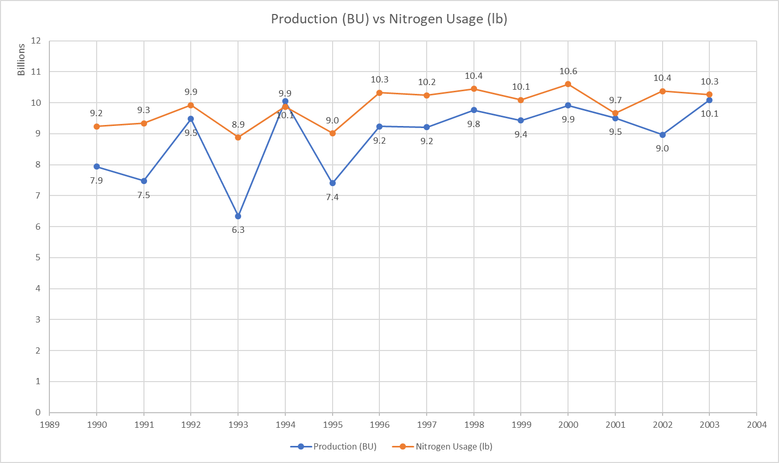
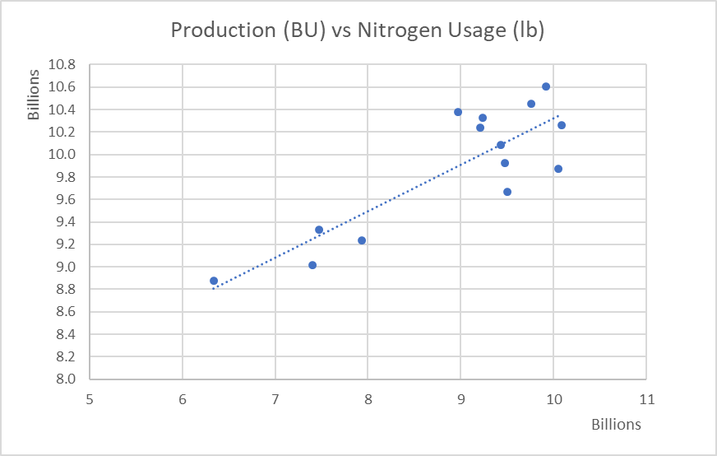
There is a positive correlation between production and nitrogen usage. Increase in plantation, harvesting and production all positively correlates to Nitrogen usage.

the nitrogen usage has increased from 9.2 Billion pounds to 10.3 Billion pounds for the overall period from 1990-2003, which account for 10% growth overall, this correlates to increase in production from 7.9 Billion bushels to 10.1 Billion Bushels for the same period.

There is increase in efficiency that can be observed as compared to 9.2 Billion pounds of Nitrogen being used to produce 7.9 Billion Bushels of corn in 1990 compared with 10.1 Billion pounds of Nitrogen being used to produce 10.3 Billion Bushels of corn in 2003.

The highest consumption of nitrogen was in the year 2000 with 10.6 Billion pounds of nitrogen used, producing 9.9 Billion Bushels of corn.

The least amount of consumption of nitrogen was in the year 1995 with 9 Billion pounds of nitrogen used, producing 7.4 Billion Bushels of corn.

3. "Fertilizer prices just go up whenever corn prices go up because you know we can pay more for it" is a common phrase we heard from growers. Imagine you need to respond to this comment in a few sentences. Share with this grower why there might be this correlation rooted in economics.

The observed correlation between fertilizer prices and corn prices can be attributed to the economic dynamics in corn cultivation. The data analysis reveals a consistent positive correlation between planted acres, harvested acres, and corn production. This indicates a sustained demand for fertilizers, particularly nitrogen, which is crucial for corn cultivation. As corn prices increase, growers may be more inclined to invest in fertilizers to optimize yields and take advantage of market opportunities. The strong positive correlation between nitrogen usage, plantation area, and corn production supports the idea that growers are willing to pay more for fertilizers when corn prices rise, anticipating higher returns. The efficiency gains over the years, as evidenced by increased corn production relative to nitrogen usage, suggest advancements in agricultural practices. This efficiency could contribute to growers' confidence in paying higher prices for fertilizers during periods of increased corn prices. In summary, the observed correlation is rooted in the economic interplay between corn prices, plantation dynamics, and fertilizer demand. Growers may see increased corn prices as an opportunity to invest in fertilizers to enhance productivity and capitalize on market conditions

